DATA
VOC Survey Results ABC Custom Truck Works - Example of Fake Data
 | Survey Question: | "How important is this need to you?”
 |  | Full coverage service plans | Emergency support 24/7 | Rental programs for work overflow | Labor pool of experienced workers for overflow | User friendly cabin | Highly maneuverable parking | Integrated trailer braking system | Attractive, classy, functional flashers | Facilitate impressive branding | Rapid unload, load capability | Safe fuel transportation | Highly configurable and changeable bed layout | Price appropriate for service and capability | Extremely easy to keep spotless
 | Customer 1 | 9 | 3 | 3 | 7 | 7 | 9 | 6 | 6 | 2 | 8 | 3 | 6 | 8 | 7 |  |  | Please see the book | or webinar to see how to use these spreadsheets.
HOW TO:
When you get your surveys back, enter the data onto a table like this. If you use this table, you'll need to insert rows to accommodate all your surveys.
Some survey results will have no entries for some questions, so leave them blank (don't insert a zero or it will drag your average down inaccurately).
Then, go to the next sheet in this workbook.
 | Customer 2 | 10 | 5 | 4 | 9 | 5 | 4 | 8 | 6 | 1 | 9 | 7 | 7 | 9 | 6
 | Customer 3 | 7 | 5 | 6 | 6 | 6 | 5 | 5 | 3 | 3 | 10 | 3 | 9 | 7 | 3
 | Customer 4 | 9 | 7 | 5 | 4 | 4 | 9 | 9 | 4 | 4 | 6 | 6 | 6 | 9 | 4
 | Customer 5 | 7 | 8 | 4 | 9 | 3 | 3 | 8 | 2 | 3 | 7 | 3 | 7 | 10 | 5
 | Customer 6 | 9 | 2 | 3 | 6 | 2 | 4 | 8 | 5 | 9 | 6 | 3 | 10 | 9 | 2
 | Customer 7 | 8 | 3 | 5 | 4 | 2 | 9 | 6 | 5 | 2 | 7 | 5 | 3 | 8 | 3
 | Customer 8 | 9 | 4 | 8 | 6 | 1 | 5 | 6 | 3 | 7 | 8 | 5 | 5 | 8 | 4
 | Customer 9 | 5 | 6 | 5 | 8 | 5 | 8 | 8 | 7 | 3 | 5 | 2 | 7 | 8 | 5
 | Customer 10 | 10 | 5 | 7 | 9 | 2 | 5 | 9 | 5 | 5 | 9 | 3 | 5 | 7 | 1
 | Customer 11 | 9 | 4 | 4 | 9 | 1 | 6 | 10 | 3 | 2 | 7 | 4 | 6 | 10 | 2
 | Customer 12 | 7 | 2 | 3 | 7 | 2 | 10 | 7 | 3 | 3 | 8 | 3 | 4 | 7 | 3
 | Customer 13 | 9 | 3 | 9 | 9 | 5 | 3 | 9 | 6 | 4 | 9 | 5 | 9 | 7 | 6
 | Customer 14 | 6 | 8 | 4 | 7 | 3 | 4 | 8 | 5 | 2 | 6 | 5 | 6 | 9 | 7
 | Customer 15 | 7 | 8 | 3 | 5 | 2 | 9 | 8 | 5 | 5 | 6 | 8 | 3 | 8 | 3 | Min | Max | Midpoint
 | Sum | 121 | 73 | 73 | 105 | 50 | 93 | 115 | 68 | 55 | 111 | 65 | 93 | 124 | 61
 | # of Entries | 15 | 15 | 15 | 15 | 15 | 15 | 15 | 15 | 15 | 15 | 15 | 15 | 15 | 15
 | Average | 8.07 | 4.87 | 4.87 | 7.00 | 3.33 | 6.20 | 7.67 | 4.53 | 3.67 | 7.40 | 4.33 | 6.20 | 8.27 | 4.07 | 3.33 | 8.27 | 4.93

 | Survey Question: | "How does the product you are currently using perform regarding this need?”
 |  | Full coverage service plans | Emergency support 24/7 | Rental programs for work overflow | Labor pool of experienced workers for overflow | User friendly cabin | Highly maneuverable parking | Integrated trailer braking system | Attractive, classy, functional flashers | Facilitate impressive branding | Rapid unload, load capability | Safe fuel transportation | Highly configurable and changeable bed layout | Price appropriate for service and capability | Extremely easy to keep spotless
 | Customer 1 | 9 | 8 | 5 | 5 | 2 | 3 | 6 | 8 | 3 | 8 | 8 | 6 | 3 | 3
 | Customer 2 | 5 | 5 | 1 | 5 | 3 | 2 | 8 | 7 | 8 | 9 | 7 | 8 | 5 | 1
 | Customer 3 | 9 | 8 | 2 | 2 | 6 | 4 | 9 | 9 | 4 | 10 | 3 | 5 | 1 | 3
 | Customer 4 | 10 | 7 | 3 | 2 | 3 | 3 | 8 | 6 | 7 | 5 | 6 | 4 | 5 | 3
 | Customer 5 | 10 | 8 | 2 | 3 | 3 | 5 | 6 | 7 | 5 | 4 | 9 | 8 | 1 | 5
 | Customer 6 | 10 | 8 | 3 | 5 | 2 | 4 | 10 | 6 | 8 | 3 | 4 | 5 | 4 | 1
 | Customer 7 | 8 | 8 | 3 | 1 | 2 | 3 | 9 | 6 | 8 | 5 | 5 | 3 | 8 | 3
 | Customer 8 | 8 | 4 | 2 | 5 | 3 | 2 | 8 | 5 | 7 | 8 | 5 | 5 | 3 | 3
 | Customer 9 | 4 | 6 | 3 | 6 | 6 | 3 | 6 | 7 | 6 | 6 | 10 | 8 | 5 | 2
 | Customer 10 | 9 | 5 |  | 3 | 2 | 7 | 10 | 9 | 8 | 10 | 4 | 8 | 1 | 2
 | Customer 11 | 9 | 4 | 4 | 5 | 7 | 6 | 5 | 6 | 9 | 7 | 3 | 5 | 3 | 2
 | Customer 12 | 9 | 2 |  | 5 | 2 | 3 | 9 | 4 | 4 | 6 | 5 | 6 | 5 | 3
 | Customer 13 | 6 | 7 | 3 | 5 | 2 | 3 | 8 | 6 | 4 | 6 | 8 | 5 | 1 | 1
 | Customer 14 | 6 | 8 | 2 | 3 | 2 | 4 | 6 | 6 | 7 | 7 | 5 | 5 | 9 | 3
 | Customer 15 | 10 | 9 | 3 | 5 | 3 | 3 | 10 | 9 | 5 | 10 | 3 | 8 | 8 | 3 | Min | Max | Midpoint
 | Sum | 122 | 97 | 36 | 60 | 48 | 55 | 118 | 101 | 93 | 104 | 85 | 89 | 62 | 38
 | # of Entries | 15 | 15 | 13 | 15 | 15 | 15 | 15 | 15 | 15 | 15 | 15 | 15 | 15 | 15
 | Average | 8.13 | 6.47 | 2.77 | 4.00 | 3.20 | 3.67 | 7.87 | 6.73 | 6.20 | 6.93 | 5.67 | 5.93 | 4.13 | 2.53 | 2.53 | 8.13 | 5.60

GRAPHING
Creating the Market Opportunity Map |  |  |  |  |  |  |  |  | Faimont Concepts
ABC Custom Truck Works Example of Fake Data
 | Full coverage service plans | Emergency support 24/7 | Rental programs for work overflow | Labor pool of experienced workers for overflow | User friendly cabin | Highly maneuverable parking | Integrated trailer braking system | Attractive, classy, functional flashers | Facilitate impressive branding | Rapid unload, load capability | Safe fuel transportation | Highly configurable and changeable bed layout | Price appropriate for service and capability | Extremely easy to keep spotless | Min | Max | Midpt
"How does the product you are currently using perform regarding this need?” | 8.13 | 6.47 | 2.77 | 4.00 | 3.20 | 3.67 | 7.87 | 6.73 | 6.20 | 6.93 | 5.67 | 5.93 | 4.13 | 2.53 | 2.53 | 8.13 | 5.60
"How important is this need to you?” | 8.07 | 4.87 | 4.87 | 7.00 | 3.33 | 6.20 | 7.67 | 4.53 | 3.67 | 7.40 | 4.33 | 6.20 | 8.27 | 4.07 | 3.33 | 8.27 | 4.93
Item 1
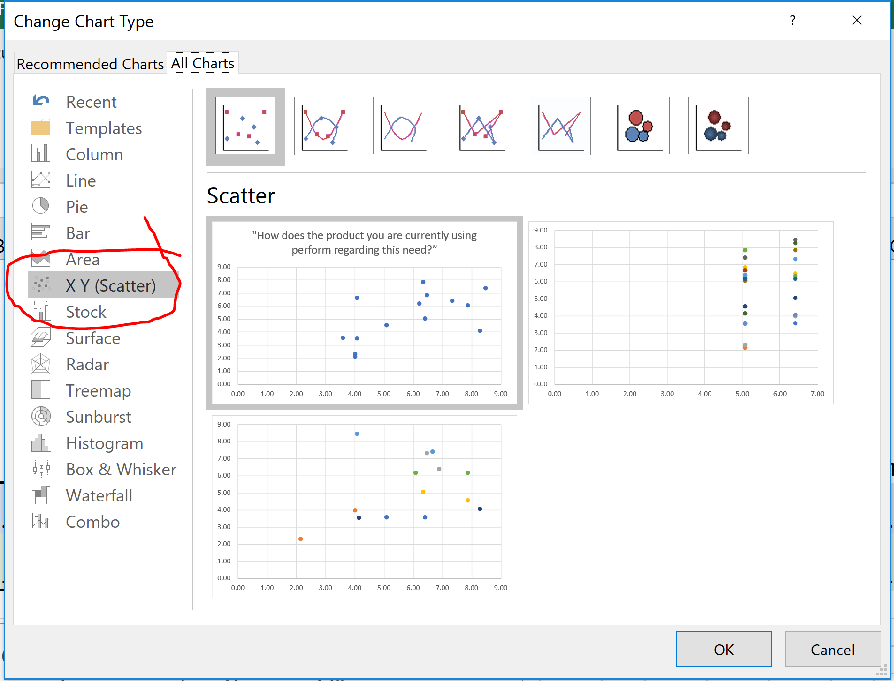
HOW TO:
To create your Market Opportunity Map from the data on the other sheet, you need to plot the data using a XY Scatter graph. See the screenshot on this page for help (item 1).
Once you have the data graphed like item 2, then normalize the data as in the other screen shots (item 3 and 4).
Format the Data Labels so that you get the X and Y numbers showing as seen in item 5 - that way you can interpret which dots correspond to which Primary Need.
Replace the numbers with the Primary Need (item 6)

Not Yet Normalized Market Opportunity Map
Item 2

 |  |  |  |  |  |  |  |  |  |  |  |  | Please see the book |  |  | or webinar for more on how to use these spreadsheets.

Items 3 and 4
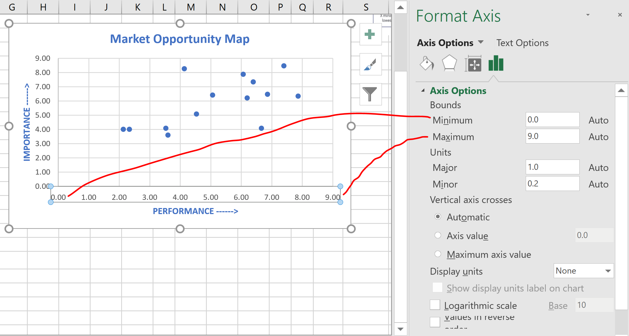

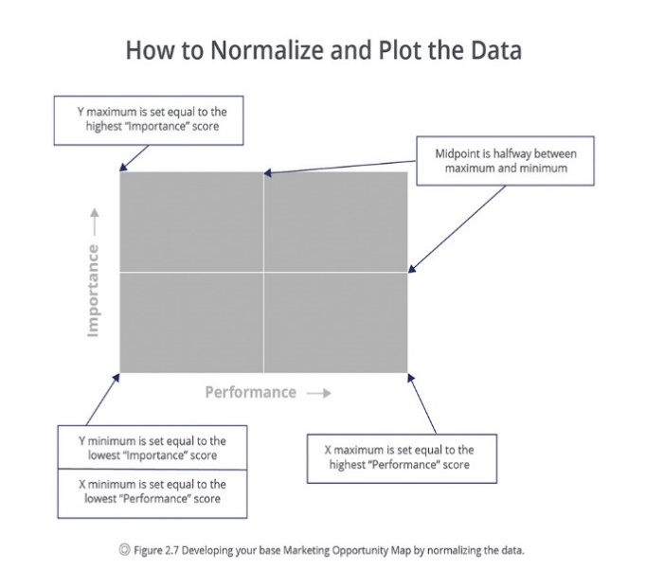

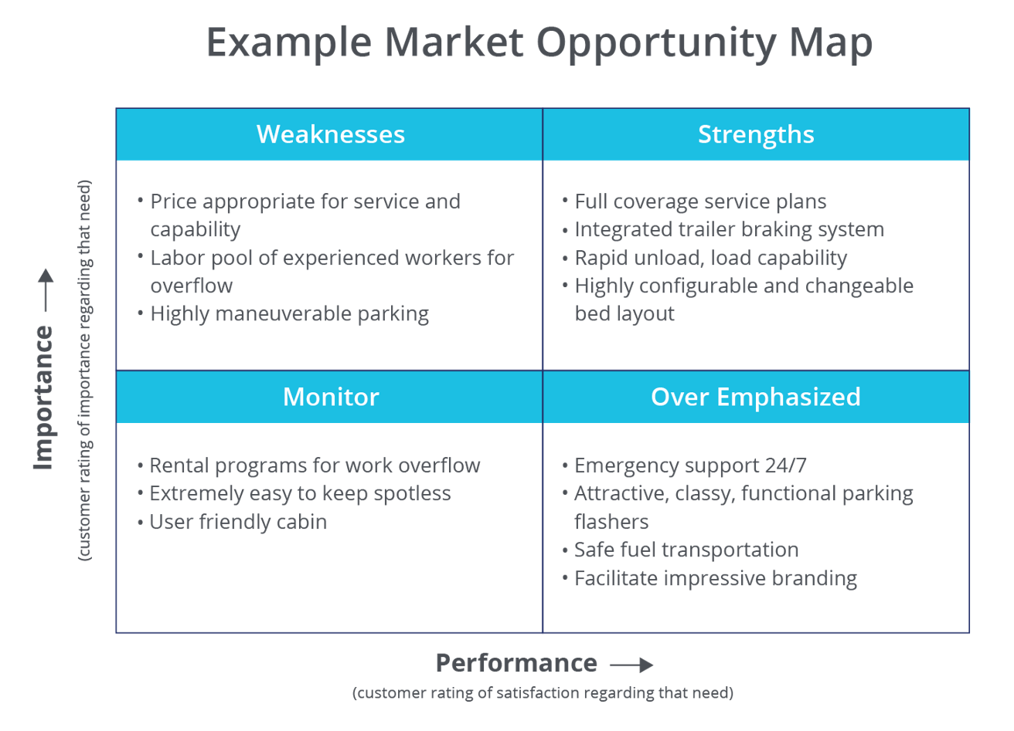

Item 5
Normalized Market Opportunity Map
Market Opportunity Map
Item 6

